Sheet1
 | Measurement - Perimeter, area and mass

Column1 | Question | Answer
1 | By estimation, the perimeter of the square is closest to? A) 8cm B) 2 cm C) 24cm D) 36cm
2 | The perimeter of the ruler is closest to A) 60cm B) 30cm C) 34cm D) 72cm
3 | 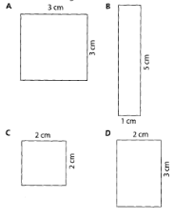 Which has the largest area?
4 |  If the perimeter of figure 3 is 8 units, the perimeter of figure 4 would be A) 10 units B) 11 units C) 12 units D)14 units
5 | The mass of an orange is closest to A) 20 g B)200g C) 600g D) 1.2kg
6 | Half a kilogram is A) 500g B) 200g C) 100g D) 750g
7 | If a coin has a mass of 50 grams and a medallion weights 80 grams, what is the mass of 2 conis and 3 medallions? A) 130g B)260g C)340g D)240g
8 | Fran pours out 420 grams from a one kilogram bag of sugar. How much is left in the packet? A)420g B) 80g C) 580g D) 680g
9 | A smaller piece 50 cm long is removed from a six metre length of string. What length of string remains? A)5 m B) 5½ m C) 4½ m D) 4 m
10 | A rectangle has a perimeter of 12 cm and the length of one of the sides is 4cm. The length of the other side is A)8 cm B) 2 cm C)4 cm D)3 cm

 | Total score | 0%

Resouces are from Revise in a Month Excel

